Type Join
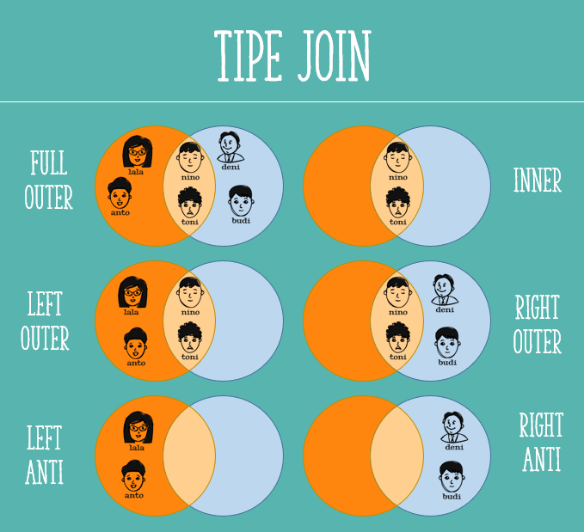

Source Table
Situation:
- Analyzing attendance data from a training session.
Instructions:
- Use Power Query and Load as Connection for the following 4 tables.

Tabel A | Tabel B |  |  | Tabel C |  | Tabel D
Participants Registering | Participants Attending | Department | Position | Registered Name | Class | Attending Name | Training Session Day
Mario Anantarqi | Indra Jaya | Finance | Accountant | Dikposa | Class 1.1 | Dikposa | Monday
Sebastian Indriani | Kevin Narendra | Finance | Accountant | Teddo | Class 1.2 | Teddo | Monday
Alfin Hilman Arisa | Anugrah Fajar Dinantika | Finance | Accountant | Edy | Class 1.1 | Edy | Monday
Aulia Paramitha | Surya Iqbal | Finance | Financial Analyst | Yola | Class 1.2 | Mirza | Monday
Lukman Atarita | Anjelia Rahmawati | Finance | Financial Analyst | Satrya | Class 1.1 | Anugrah | Tuesday
Aliriza Riechal Sucipto | Bony Farizi Cansan | Marketing | Marketing Assistant | Mirza | Class 1.2 | Cakra | Tuesday
Ferhat Azis | Sebastian Indriani | Procurement | Procurement Assistant | Anugrah | Class 1.1 | Fauzi | Tuesday
Rian Eda | Alfin Hilman Arisa | Procurement | Procurement Assistant | Cakra | Class 1.2 | Rizki | Tuesday
Deristya Aisi | Aliriza Riechal Sucipto | Procurement | Buyer | Fauzi | Class 1.1 | Ficky | Wednesday
Aldi Halida | Rian Eda | Procurement | Buyer | Rizki | Class 1.2 | Fauzan | Wednesday
Alditio Josh | Deristya Aisi | Procurement | Buyer | Rian | Class 1.1 | Sakti | Wednesday
Muhamad Priyohadi Herlin | Muhamad Priyohadi Herlin | Procurement | Buyer |  |  | Deka | Wednesday
Anjelia Rahmawati | Mario Anantarqi | Sales | Sales Assistant
 | Ismail Abdul Hartina | Sales | Sales Representative
 | Aldi Halida | Sales | Sales Representative
 | Sumandi Hutauruk | Sales | Sales Representative
 | Alditio Josh | Sales | Sales Representative
 | Ferhat Azis | Sales | Sales Assistant

Inner Join
Instructions:
- Use Combine Queries and then Merge Table A and Table B using Inner Join (only matching rows). - Display only Participants who have registered and were present during the training. - Include the original data from Department and Position.

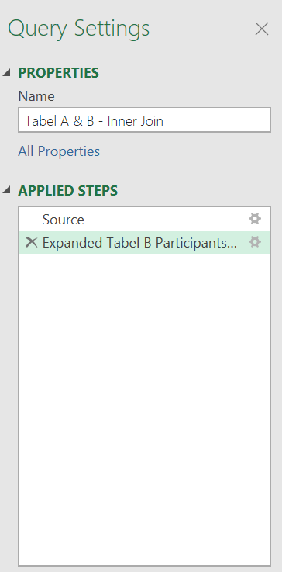
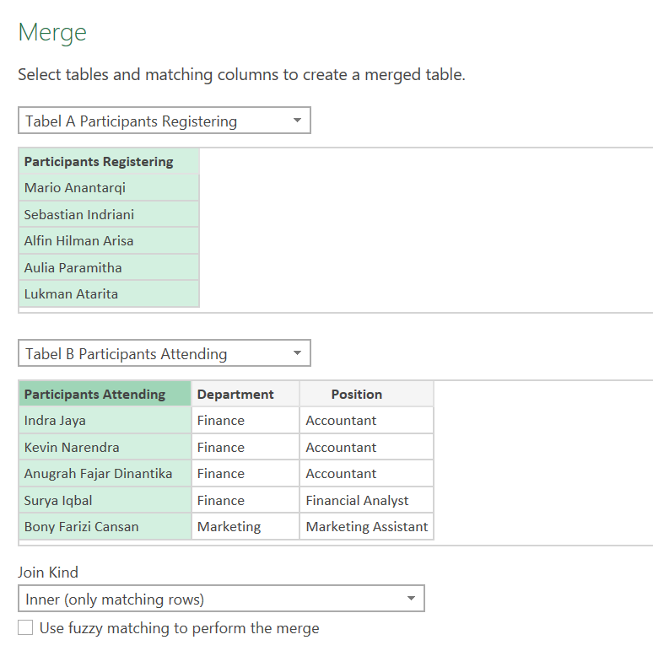
Result : Combine Queries - Merge - Inner Join
Participants Registering | Department | Position
Mario Anantarqi | Sales | Sales Assistant
Sebastian Indriani | Procurement | Procurement Assistant
Alfin Hilman Arisa | Procurement | Procurement Assistant
Anjelia Rahmawati | Finance | Financial Analyst
Aliriza Riechal Sucipto | Procurement | Buyer
Rian Eda | Procurement | Buyer
Deristya Aisi | Procurement | Buyer
Muhamad Priyohadi Herlin | Procurement | Buyer
Aldi Halida | Sales | Sales Representative
Alditio Josh | Sales | Sales Representative
Ferhat Azis | Sales | Sales Assistant

Full Outer
Instructions:
- Use Combine Queries and then Merge Table A and Table B using Full Outer Join (all rows from both tables).
- Display the complete list of Participants, including those who have registered, those who attended, and those who attended without prior registration.

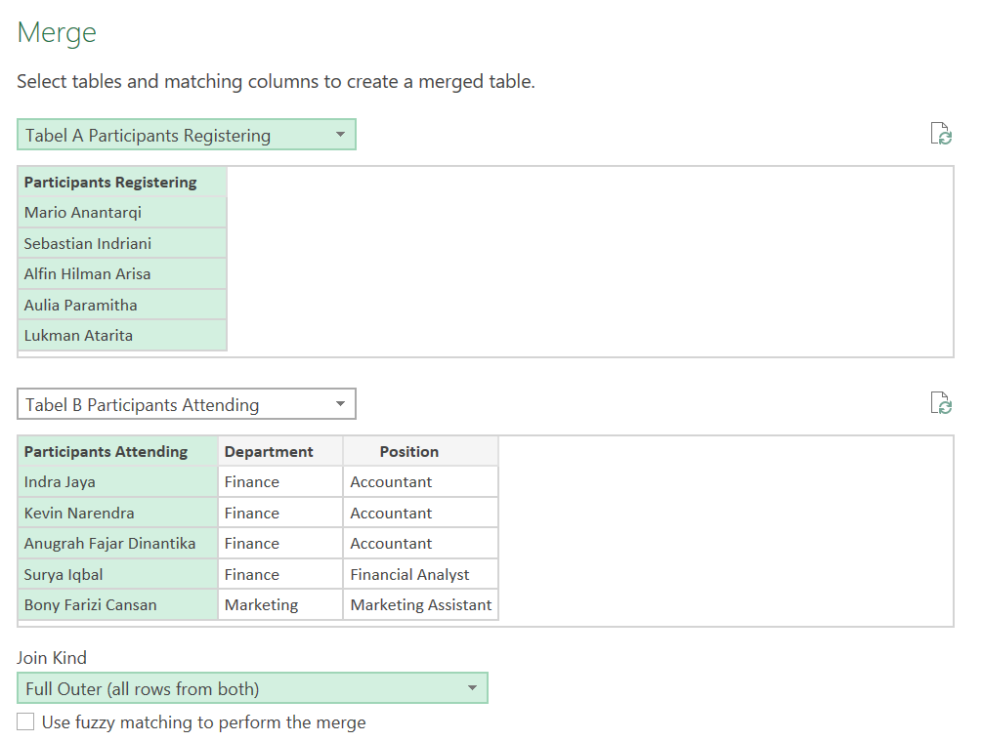
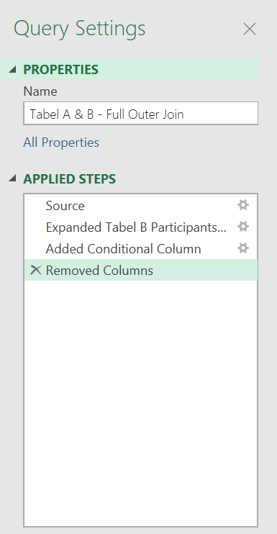
Result : Combine Queries - Merge - Full Outer Join
Names of All Training Participants
Mario Anantarqi
Indra Jaya
Sebastian Indriani
Kevin Narendra
Alfin Hilman Arisa
Anugrah Fajar Dinantika
Surya Iqbal
Bony Farizi Cansan
Aliriza Riechal Sucipto
Rian Eda
Deristya Aisi
Aldi Halida
Muhamad Priyohadi Herlin
Ismail Abdul Hartina
Sumandi Hutauruk
Alditio Josh
Ferhat Azis
Aulia Paramitha
Lukman Atarita
Anjelia Rahmawati

Left Anti
Instructions:
- Use Combine Queries to merge Table A and Table B using the Left Anti type (only rows from the first table).
- Display the list of participants who have registered but did not attend the training.

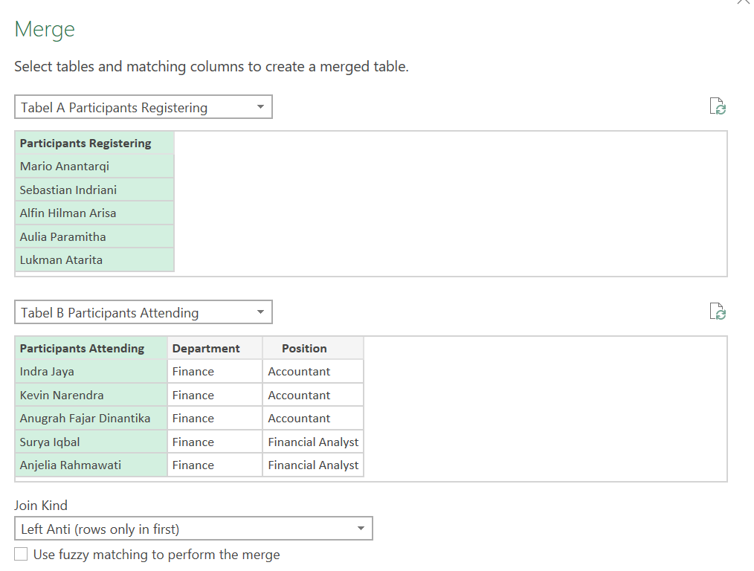
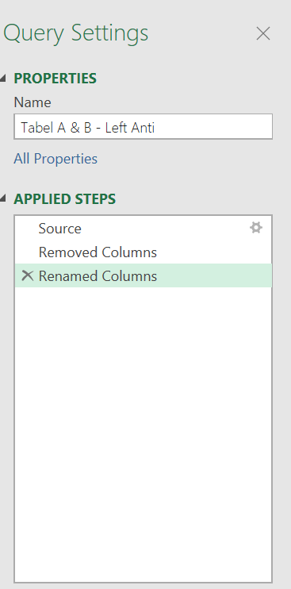
Result : Combine Queries - Merge - Left Anti Join
Participants Registering (Not present)
Aulia Paramitha
Lukman Atarita

Right Anti
Instructions:
- Use Combine Queries to merge Table A and Table B using the Right Anti type (only rows from the second table).
- Display the list of participants who attended the training directly, or participants who did not register beforehand.

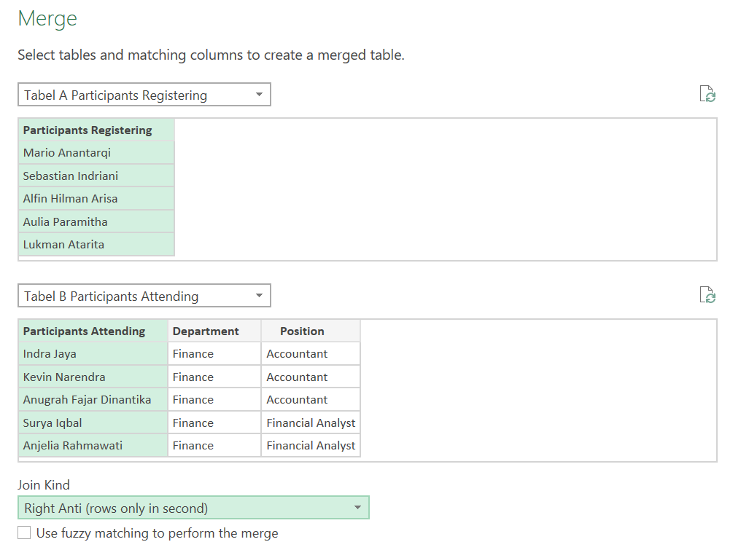
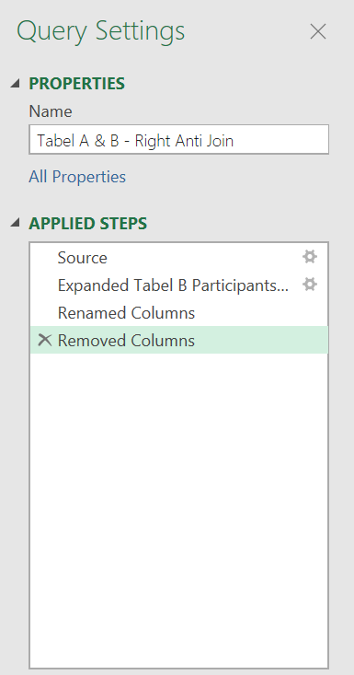
Result : Combine Queries - Merge - Right Anti Join
Participants Attending (without registering)
Indra Jaya
Kevin Narendra
Anugrah Fajar Dinantika
Surya Iqbal
Bony Farizi Cansan
Ismail Abdul Hartina
Sumandi Hutauruk

Left Outer
Instructions:
- Use Combine Queries to merge Table C and Table D using a Left Outer join (to include all records from the first table and matching records from the second table).
- Display the training session days for the registered names.
- Note: There are two registered names listed as "blank" in the session day data, indicating that these two individuals did not attend the training sessions.

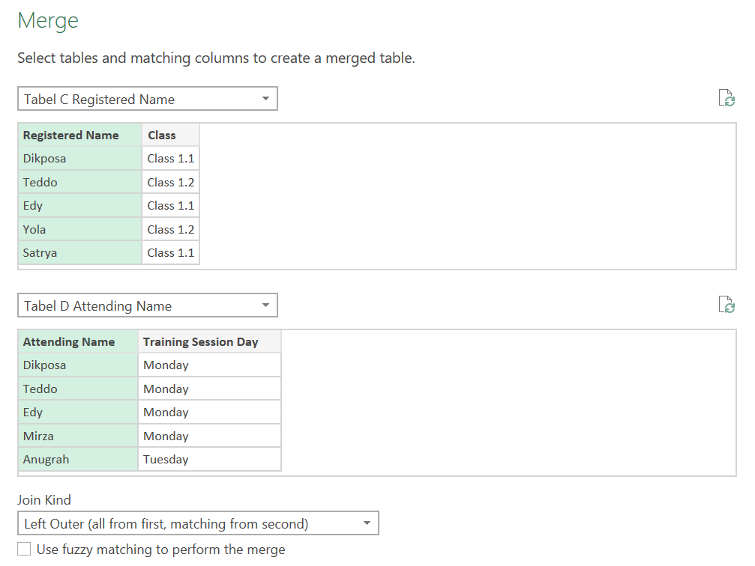
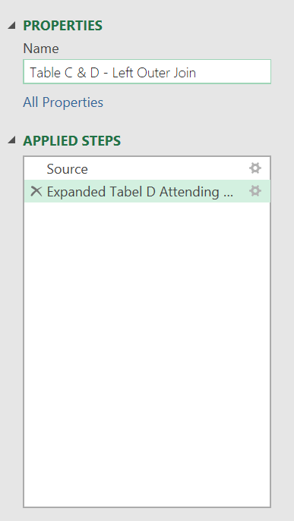
Result : Combine Queries - Merge - Left Outer Join
Registered Name | Class | Training Session Day
Dikposa | Class 1.1 | Monday
Teddo | Class 1.2 | Monday
Edy | Class 1.1 | Monday
Mirza | Class 1.2 | Monday
Anugrah | Class 1.1 | Tuesday
Cakra | Class 1.2 | Tuesday
Fauzi | Class 1.1 | Tuesday
Rizki | Class 1.2 | Tuesday
Yola | Class 1.2
Satrya | Class 1.1
Rian | Class 1.1

Right Outer
Instructions:
- Use Combine Queries to merge Table C and Table D using the Right Outer type (all from the second table, matching from the first table).
- Display the class data for the participants who attended.
- Note: There are 4 names of participants present with "blank" class data, meaning those 4 names attended the training session directly without registering beforehand.

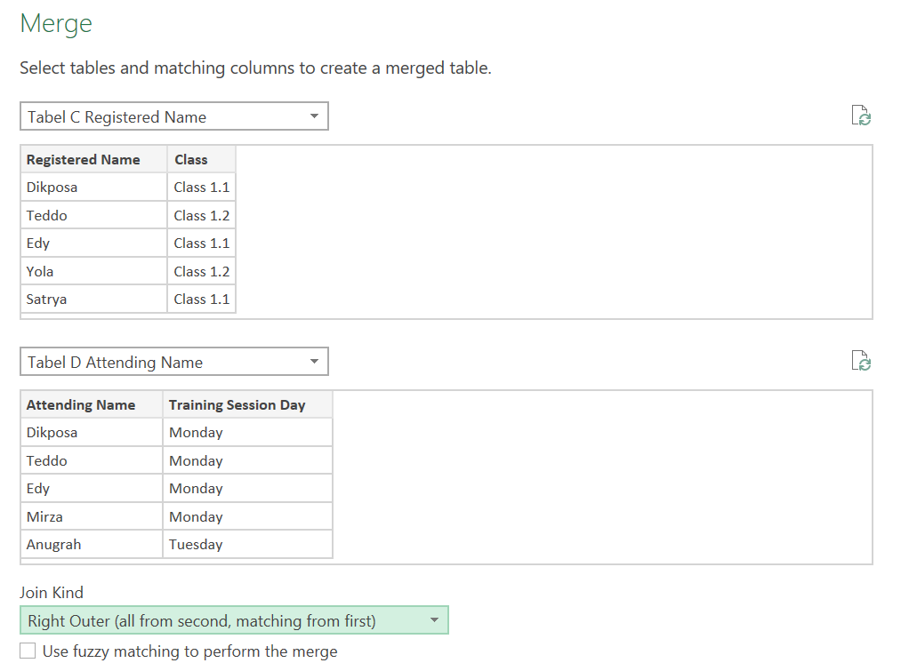
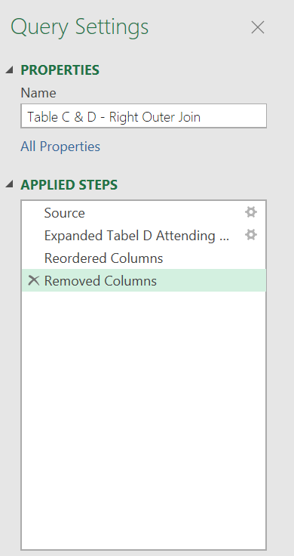
Result : Combine Queries - Merge - Right Outer Join
Attending Name | Training Session Day | Class
Dikposa | Monday | Class 1.1
Teddo | Monday | Class 1.2
Edy | Monday | Class 1.1
Mirza | Monday | Class 1.2
Anugrah | Tuesday | Class 1.1
Cakra | Tuesday | Class 1.2
Fauzi | Tuesday | Class 1.1
Rizki | Tuesday | Class 1.2
Ficky | Wednesday
Fauzan | Wednesday
Sakti | Wednesday
Deka | Wednesday

